Diagrams
BMS5FR Temperature
 | Unprotected beam | Protected beam | Slab
0 | 20 | 20 | 20
1 | 349.21366576 | 250.44956603 | 168.14614959
2 | 444.50487788 | 317.15341451 | 211.02719504
3 | 502.28930299 | 357.60251209 | 237.03018635
4 | 543.88730926 | 386.72111648 | 255.74928917
5 | 576.41043057 | 409.4873014 | 270.38469376
6 | 603.11764761 | 428.18235333 | 282.40294142
7 | 625.77682521 | 444.04377764 | 292.59957134
8 | 645.45510804 | 457.81857563 | 301.45479862
9 | 662.84638674 | 469.99247072 | 309.28087403
10 | 678.42733151 | 480.89913206 | 316.29229918
11 | 692.53955229 | 490.7776866 | 322.64279853
12 | 705.43624832 | 499.80537383 | 328.44631174
13 | 717.31030818 | 508.11721573 | 333.78963868
14 | 728.312063 | 515.8184441 | 338.74042835
15 | 738.56095276 | 522.99266693 | 343.35242874
16 | 748.15345005 | 529.70741504 | 347.66905252
17 | 757.16859567 | 536.01801697 | 351.72586805
18 | 765.67196077 | 541.97037254 | 355.55238235
19 | 773.71854363 | 547.60298054 | 359.17334463
20 | 781.35492723 | 552.94844906 | 362.60971725
21 | 788.62091309 | 558.03463916 | 365.87941089
22 | 795.55077689 | 562.88554383 | 368.9978496
23 | 802.1742463 | 567.52197241 | 371.97841083
24 | 808.51727161 | 571.96209013 | 374.83277222
25 | 814.60263981 | 576.22184787 | 377.57118791
26 | 820.45046871 | 580.3153281 | 380.20271092
27 | 826.07860818 | 584.25502572 | 382.73537368
28 | 831.50296875 | 588.05207812 | 385.17633594
29 | 836.73779275 | 591.71645493 | 387.53200674
30 | 841.79587969 | 595.25711578 | 389.80814586
31 | 846.68877475 | 598.68214232 | 392.00994864
32 | 851.42692755 | 601.99884928 | 394.1421174
33 | 856.01982651 | 605.21387856 | 396.20892193
34 | 860.47611323 | 608.33327926 | 398.21425095
35 | 864.80368037 | 611.36257626 | 400.16165617
36 | 869.00975575 | 614.30682903 | 402.05439009
37 | 873.10097501 | 617.17068251 | 403.89543876
38 | 877.08344457 | 619.9584112 | 405.68755006
39 | 880.96279645 | 622.67395752 | 407.4332584
40 | 884.74423618 | 625.32096533 | 409.13490628
41 | 888.43258479 | 627.90280935 | 410.79466316
42 | 892.0323158 | 630.42262106 | 412.41454211
43 | 895.5475878 | 632.88331146 | 413.99641451
44 | 898.98227336 | 635.28759135 | 415.54202301
45 | 902.33998466 | 637.63798926 | 417.0529931
46 | 905.62409632 | 639.93686743 | 418.53084335
47 | 908.83776582 | 642.18643607 | 419.97699462
48 | 911.98395168 | 644.38876618 | 421.39277826
49 | 915.06542988 | 646.54580092 | 422.77944345
...

BMS5FR Vertical Displacements
 | Node 780 | Node 819 | Node 20 | Node 1619 | Central node
0 | -0.1635683 | -0.1635683 | -0.1702682 | -0.1702682 | -0.4052847
0 | -0.3272109 | -0.3272109 | -0.3406236 | -0.3406236 | -0.8107609
0 | -0.4909278 | -0.4909278 | -0.5110664 | -0.5110664 | -1.216428
0 | -0.6547188 | -0.6547188 | -0.6815967 | -0.6815967 | -1.622286
0 | -0.818584 | -0.818584 | -0.8522147 | -0.8522147 | -2.028334
0 | -0.9825234 | -0.9825234 | -1.022921 | -1.022921 | -2.434573
0 | -1.146537 | -1.146537 | -1.193714 | -1.193714 | -2.841001
0 | -1.310624 | -1.310624 | -1.364596 | -1.364596 | -3.247618
0 | -1.474786 | -1.474786 | -1.535566 | -1.535566 | -3.654425
0 | -1.639021 | -1.639021 | -1.706625 | -1.706625 | -4.06142
0.063 | -3.787185 | -3.788019 | -5.643497 | -5.6423 | -13.47443
0.125 | -4.409768 | -4.410978 | -7.905829 | -7.904169 | -18.25739
0.188 | -4.937404 | -4.938041 | -9.901917 | -9.900513 | -22.22129
0.25 | -5.422697 | -5.422977 | -11.62913 | -11.6283 | -25.62932
0.313 | -5.869592 | -5.869561 | -13.10667 | -13.10651 | -28.62788
0.375 | -6.288419 | -6.288413 | -14.37029 | -14.36998 | -31.30629
0.438 | -6.6691 | -6.669081 | -15.4967 | -15.4964 | -33.70843
0.5 | -7.018003 | -7.017939 | -16.51551 | -16.51521 | -35.89127
0.563 | -7.341905 | -7.341827 | -17.44619 | -17.44587 | -37.89297
0.625 | -7.643352 | -7.643255 | -18.30195 | -18.30161 | -39.74107
0.688 | -7.930778 | -7.93064 | -19.09361 | -19.09323 | -41.49462
0.75 | -8.20451 | -8.204357 | -19.83176 | -19.83132 | -43.14756
0.813 | -8.463283 | -8.463102 | -20.5233 | -20.52282 | -44.69837
0.875 | -8.70872 | -8.708538 | -21.17343 | -21.17291 | -46.15461
0.938 | -8.942197 | -8.94199 | -21.78754 | -21.78698 | -47.52986
1 | -9.166178 | -9.165942 | -22.3694 | -22.36882 | -48.83455
1.5 | -10.67434 | -10.67394 | -26.13704 | -26.13643 | -57.25036
2 | -11.82512 | -11.82467 | -28.98216 | -28.98164 | -63.77676
3 | -13.54456 | -13.54368 | -33.06644 | -33.06632 | -72.48926
4 | -14.78244 | -14.78187 | -36.20566 | -36.20559 | -79.25766
5 | -15.78067 | -15.77998 | -38.89075 | -38.89078 | -84.59895
6 | -16.60503 | -16.60475 | -41.19293 | -41.19303 | -88.91991
7 | -17.32654 | -17.32646 | -43.22978 | -43.23 | -92.53268
8 | -17.97922 | -17.97897 | -45.05515 | -45.05545 | -95.63264
9 | -18.56935 | -18.56881 | -46.68842 | -46.68882 | -98.29598
10 | -19.10747 | -19.10713 | -48.14397 | -48.1444 | -100.6121
11 | -19.6033 | -19.60286 | -49.40662 | -49.40706 | -102.7024
12 | -20.0627 | -20.06198 | -50.56089 | -50.56133 | -104.7321
13 | -20.69749 | -20.69678 | -52.33407 | -52.33461 | -107.1945
14 | -21.32816 | -21.32734 | -54.06885 | -54.06945 | -109.5836
15 | -21.93289 | -21.93222 | -55.72522 | -55.72593 | -111.8602
16 | -22.49056 | -22.48983 | -57.27145 | -57.27185 | -113.98
17 | -23.06257 | -23.06199 | -58.51937 | -58.5193 | -114.8074
18 | -23.64814 | -23.64756 | -59.69506 | -59.69469 | -115.4165
19 | -24.24172 | -24.2412 | -60.85336 | -60.85202 | -116.0708
20 | -24.8398 | -24.83927 | -62.01701 | -62.0159 | -116.791
21 | -25.44305 | -25.44255 | -63.17379 | -63.17255 | -117.5687
22 | -26.05225 | -26.0518 | -64.31749 | -64.31655 | -118.4054
23 | -26.67041 | -26.67006 | -65.49949 | -65.49848 | -119.2364
24 | -27.30389 | -27.30362 | -66.77654 | -66.77445 | -119.9985
...

BMS5FR Axial force at central-node
 | Beam 48 | Beam 49
0 | -20502.9 | -20657.36
0 | -41019.98 | -41329
0 | -61551.23 | -62014.91
0 | -82096.62 | -82715.05
0 | -102656.1 | -103429.4
0 | -123229.7 | -124158
0 | -143817.4 | -144900.7
0 | -164419 | -165657.5
0 | -185034.7 | -186428.4
0 | -205664.4 | -207213.5
0.063 | 60903.53 | 60439.01
0.125 | 255282.6 | 254712.3
0.188 | 401552.2 | 400749.5
0.25 | 519296.2 | 518649.7
0.313 | 612322.7 | 611865
0.375 | 686294.5 | 685907.8
0.438 | 749026.6 | 748703.1
0.5 | 799418.3 | 799092.6
0.563 | 841444.9 | 841145.5
0.625 | 875461.4 | 874949.2
0.688 | 883653.4 | 882837.8
0.75 | 885984.1 | 885102.8
0.813 | 885938.3 | 885007
0.875 | 884361.3 | 883404.6
0.938 | 882436.8 | 881463.1
1 | 880371.1 | 879384.6
1.5 | 806927 | 805871
2 | 694657 | 693386.1
3 | 557244 | 556170.5
4 | 576370.8 | 575269
5 | 572537.2 | 571330.4
6 | 547415.7 | 546107.8
7 | 519701.8 | 518346.6
8 | 487379.8 | 485977.4
9 | 453293.8 | 451859.9
10 | 425287.2 | 423826.8
11 | 396634.4 | 395145.7
12 | 371010.5 | 369512.4
13 | 349397.3 | 347906
14 | 329019.1 | 327529.9
15 | 309490 | 307982.7
16 | 291297.9 | 289776.5
17 | 268431.1 | 266896.7
18 | 243857.7 | 242307.8
19 | 220107.8 | 218541.2
20 | 202226.3 | 200647.2
21 | 186774.3 | 185183.9
22 | 171930.7 | 170330.2
23 | 158550.9 | 156919.6
24 | 147503.4 | 145720.1
...

Deflected shape
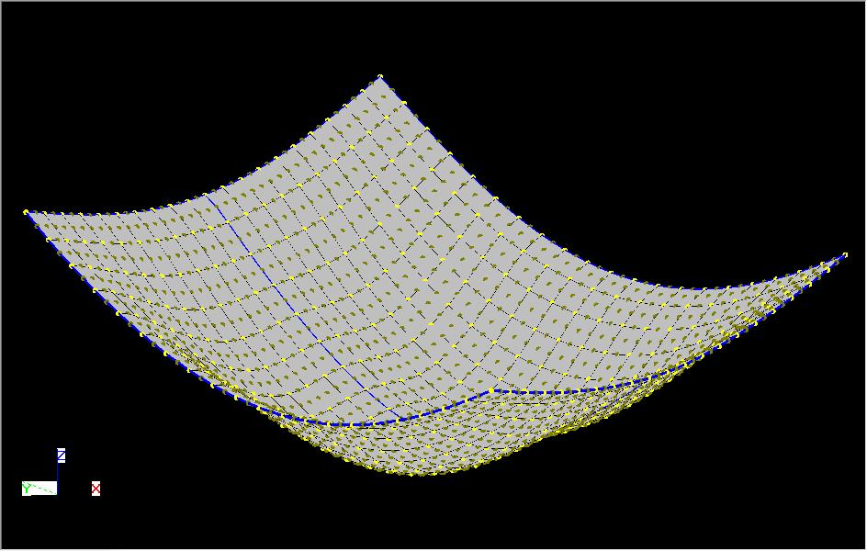
BMS5 - Finer

NB. This displacments shown above are scale by a factor of 10 in all direction.

